Daily Power Station Chart_14-01
Plant_06/01/2025Chart

Plant:odco1 |  |  | Installed Capacity:111.180kWp
Today Yield(kWh):186.400kWh |  | Today Earning:74560.000TND |  | Today Full Load Hours(h):1.68h

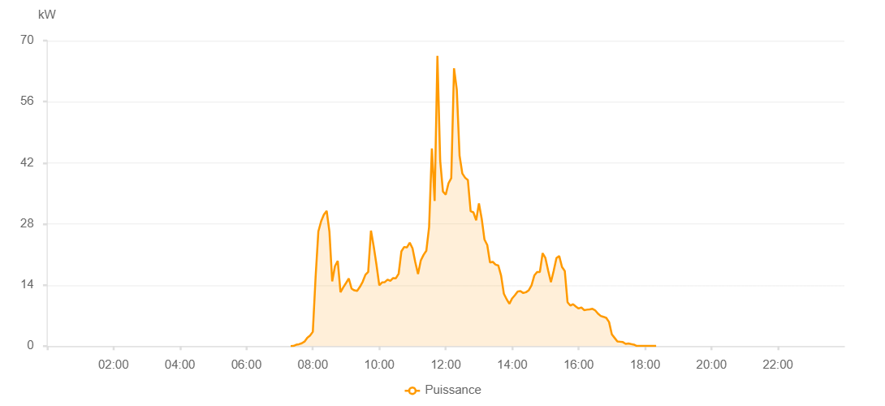

Number | Time | Working State | PV(W) | Instantaneous Radiation(W/㎡)
1 | 07:20:00 | Online | 20.00000 | 0
2 | 07:25:00 | Online | 40.00000 | 0
3 | 07:30:00 | Online | 320.00000 | 0
4 | 07:35:00 | Online | 430.00000 | 0
5 | 07:40:00 | Online | 650.00000 | 2.00000
6 | 07:45:00 | Online | 1040.00000 | 6.00000
7 | 07:50:00 | Online | 1920.00000 | 10.00000
8 | 07:55:00 | Online | 2410.00000 | 16.00000
9 | 08:00:00 | Online | 3280.00000 | 25.00000
10 | 08:05:00 | Online | 15810.00000 | 48.00000
11 | 08:10:00 | Online | 26280.00000 | 266.00000
12 | 08:15:00 | Online | 28610.00000 | 312.00000
13 | 08:20:00 | Online | 30150.00000 | 352.00000
14 | 08:25:00 | Online | 30980.00000 | 367.00000
15 | 08:30:00 | Online | 26200.00000 | 374.00000
16 | 08:35:00 | Online | 14840.00000 | 158.00000
17 | 08:40:00 | Online | 18320.00000 | 136.00000
18 | 08:45:00 | Online | 19530.00000 | 153.00000
19 | 08:50:00 | Online | 12350.00000 | 126.00000
20 | 08:55:00 | Online | 13460.00000 | 113.00000
21 | 09:00:00 | Online | 14460.00000 | 122.00000
22 | 09:05:00 | Online | 15490.00000 | 138.00000
23 | 09:10:00 | Online | 13160.00000 | 123.00000
24 | 09:15:00 | Online | 12780.00000 | 111.00000
25 | 09:20:00 | Online | 12660.00000 | 108.00000
26 | 09:25:00 | Online | 13570.00000 | 115.00000
27 | 09:30:00 | Online | 14730.00000 | 125.00000
28 | 09:35:00 | Online | 16350.00000 | 140.00000
29 | 09:40:00 | Online | 17000.00000 | 136.00000
30 | 09:45:00 | Online | 26470.00000 | 238.00000
31 | 09:50:00 | Online | 22810.00000 | 199.00000
32 | 09:55:00 | Online | 18610.00000 | 160.00000
33 | 10:00:00 | Online | 13920.00000 | 131.00000
34 | 10:05:00 | Online | 14590.00000 | 119.00000
35 | 10:10:00 | Online | 14670.00000 | 123.00000
36 | 10:15:00 | Online | 15230.00000 | 127.00000
37 | 10:20:00 | Online | 14950.00000 | 131.00000
38 | 10:25:00 | Online | 15590.00000 | 133.00000
39 | 10:30:00 | Online | 15540.00000 | 136.00000
40 | 10:35:00 | Online | 16600.00000 | 148.00000
41 | 10:40:00 | Online | 21730.00000 | 171.00000
42 | 10:45:00 | Online | 22720.00000 | 189.00000
43 | 10:50:00 | Online | 22620.00000 | 192.00000
44 | 10:55:00 | Online | 23690.00000 | 196.00000
45 | 11:00:00 | Online | 22430.00000 | 199.00000
46 | 11:05:00 | Online | 19270.00000 | 174.00000
47 | 11:10:00 | Online | 16500.00000 | 138.00000
48 | 11:15:00 | Online | 19620.00000 | 154.00000
49 | 11:20:00 | Online | 20910.00000 | 178.00000
50 | 11:25:00 | Online | 21860.00000 | 197.00000
51 | 11:30:00 | Online | 27280.00000 | 219.00000
52 | 11:35:00 | Online | 45280.00000 | 297.00000
53 | 11:40:00 | Online | 33280.00000 | 307.00000
54 | 11:45:00 | Online | 66500.00000 | 290.00000
55 | 11:50:00 | Online | 42470.00000 | 391.00000
56 | 11:55:00 | Online | 35430.00000 | 321.00000
57 | 12:00:00 | Online | 34700.00000 | 283.00000
58 | 12:05:00 | Online | 37300.00000 | 320.00000
59 | 12:10:00 | Online | 38490.00000 | 332.00000
60 | 12:15:00 | Online | 63660.00000 | 542.00000
61 | 12:20:00 | Online | 58750.00000 | 770.00000
62 | 12:25:00 | Online | 43640.00000 | 555.00000
63 | 12:30:00 | Online | 39550.00000 | 374.00000
64 | 12:35:00 | Online | 38580.00000 | 332.00000
65 | 12:40:00 | Online | 38050.00000 | 327.00000
66 | 12:45:00 | Online | 30900.00000 | 295.00000
67 | 12:50:00 | Online | 30650.00000 | 269.00000
68 | 12:55:00 | Online | 28820.00000 | 253.00000
69 | 13:00:00 | Online | 32700.00000 | 267.00000
70 | 13:05:00 | Online | 29180.00000 | 274.00000
71 | 13:10:00 | Online | 24410.00000 | 227.00000
72 | 13:15:00 | Online | 23160.00000 | 200.00000
73 | 13:20:00 | Online | 19160.00000 | 173.00000
74 | 13:25:00 | Online | 19300.00000 | 165.00000
75 | 13:30:00 | Online | 18680.00000 | 151.00000
76 | 13:35:00 | Online | 18470.00000 | 157.00000
77 | 13:40:00 | Online | 16170.00000 | 127.00000
78 | 13:45:00 | Online | 12000.00000 | 105.00000
79 | 13:50:00 | Online | 10740.00000 | 98.00000
80 | 13:55:00 | Online | 9710.00000 | 84.00000
81 | 14:00:00 | Online | 10940.00000 | 86.00000
82 | 14:05:00 | Online | 11670.00000 | 94.00000
83 | 14:10:00 | Online | 12530.00000 | 98.00000
84 | 14:15:00 | Online | 12610.00000 | 108.00000
85 | 14:20:00 | Online | 12160.00000 | 100.00000
86 | 14:25:00 | Online | 12350.00000 | 98.00000
87 | 14:30:00 | Online | 12800.00000 | 104.00000
88 | 14:35:00 | Online | 13930.00000 | 122.00000
89 | 14:40:00 | Online | 16170.00000 | 133.00000
90 | 14:45:00 | Online | 16980.00000 | 140.00000
91 | 14:50:00 | Online | 16960.00000 | 145.00000
92 | 14:55:00 | Online | 21300.00000 | 151.00000
93 | 15:00:00 | Online | 20190.00000 | 243.00000
94 | 15:05:00 | Online | 17290.00000 | 166.00000
95 | 15:10:00 | Online | 14640.00000 | 132.00000
96 | 15:15:00 | Online | 17270.00000 | 183.00000
97 | 15:20:00 | Online | 20200.00000 | 160.00000
98 | 15:25:00 | Online | 20630.00000 | 196.00000
99 | 15:30:00 | Online | 18140.00000 | 158.00000
100 | 15:35:00 | Online | 17220.00000 | 128.00000
101 | 15:40:00 | Online | 10050.00000 | 104.00000
102 | 15:45:00 | Online | 9290.00000 | 79.00000
103 | 15:50:00 | Online | 9610.00000 | 82.00000
104 | 15:55:00 | Online | 9080.00000 | 74.00000
105 | 16:00:00 | Online | 8620.00000 | 70.00000
106 | 16:05:00 | Online | 8860.00000 | 72.00000
107 | 16:10:00 | Online | 8240.00000 | 69.00000
108 | 16:15:00 | Online | 8350.00000 | 69.00000
109 | 16:20:00 | Online | 8430.00000 | 70.00000
110 | 16:25:00 | Online | 8550.00000 | 75.00000
111 | 16:30:00 | Online | 8190.00000 | 72.00000
112 | 16:35:00 | Online | 7450.00000 | 65.00000
113 | 16:40:00 | Online | 6910.00000 | 60.00000
114 | 16:45:00 | Online | 6710.00000 | 58.00000
115 | 16:50:00 | Online | 6470.00000 | 54.00000
116 | 16:55:00 | Online | 5510.00000 | 43.00000
117 | 17:00:00 | Online | 2680.00000 | 29.00000
118 | 17:05:00 | Online | 1880.00000 | 20.00000
119 | 17:10:00 | Online | 1070.00000 | 12.00000
120 | 17:15:00 | Online | 1000.00000 | 8.00000
121 | 17:20:00 | Online | 910.00000 | 6.00000
122 | 17:25:00 | Online | 520.00000 | 5.00000
123 | 17:30:00 | Online | 610.00000 | 1.00000
124 | 17:35:00 | Online | 460.00000 | 5.00000
125 | 17:40:00 | Online | 340.00000 | 1.00000
126 | 17:45:00 | Online | 40.00000 | 0
127 | 17:50:00 | Online | 40.00000 | 0
128 | 17:55:00 | Online | 40.00000 | 0
129 | 18:00:00 | Online | 40.00000 | 0
130 | 18:05:00 | Online | 40.00000 | 0
131 | 18:10:00 | Online | 40.00000 | 0
132 | 18:15:00 | Online | 40.00000 | 0
133 | 18:20:00 | Online | 40.00000 | 0
134 | 18:45:00 | Online | 0.00001 | 0.00001

